Statistics & Graph
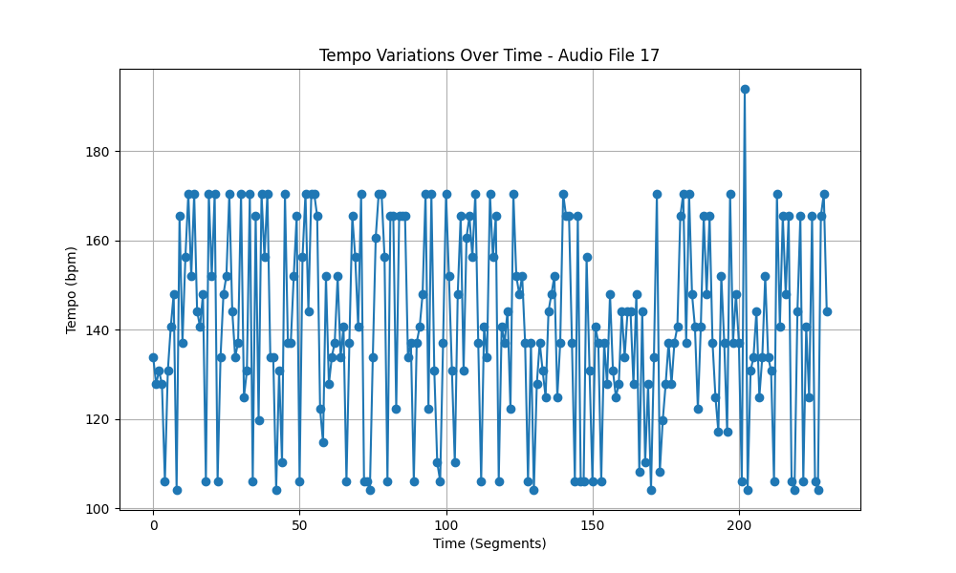
Metric | Value
Mean | 140.20207528
Standard Deviation | 21.151011378
Coefficient of Variation (CV) | 15.086090086

